The ASK
THE ASK
Please make a recommendation for $1.5MM incremental to 2H 2025 Lysol Air Sanitizer (Q3 & Q4)

THE RATIONALE
There are new comms launching at the start of Q3 with new creatives and we want to invest more to have a bigger reach against our audience

THE GOAL
Increase reach across target audience prioritizing new creative live date

Reminders As You Plan:
*Please use knowledge of quarterly allocations and current media mix to rationalize how you would use the 1.5MM incremental budget
*Utilizie ROIs to determine channel effectivess in rationale

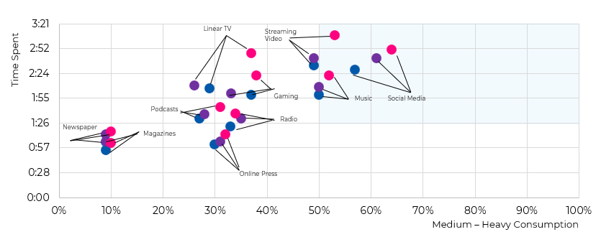
ROIs by Channel |  | MEDIA CONSUMPTION
Linear | $1.90
FEP | $1.75
CTV | $0.75
Audio | $0.40
Display | $1.00
OLV | $1.50
Social | $2.50
Influencer

